Sheet1
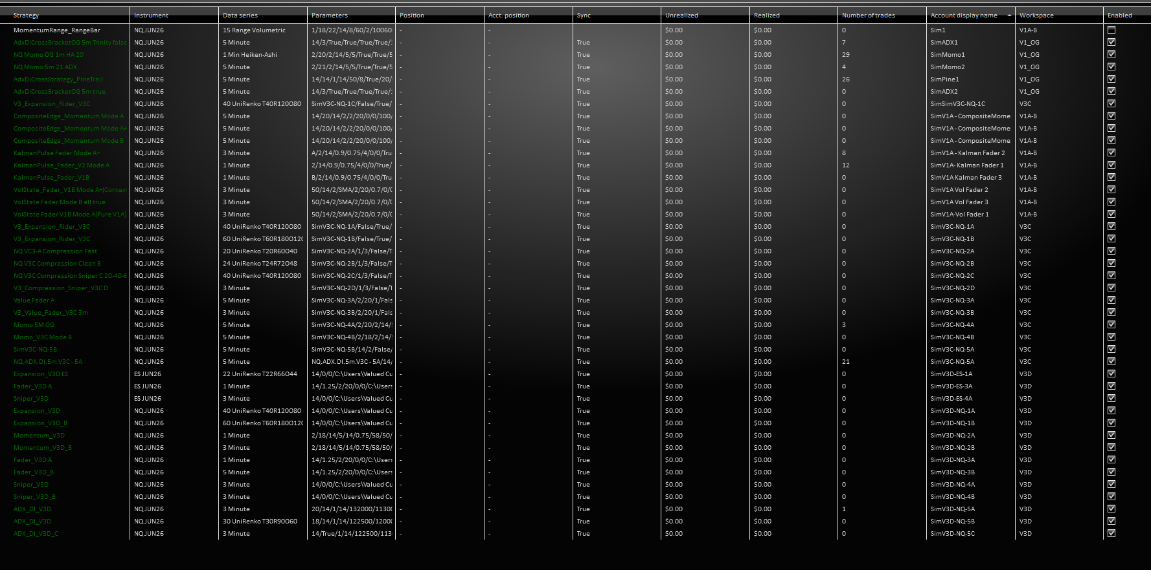
 | Chart Location | Tab | Tab Name |  | Chart | Strategy | bot name | Account |  |  | Time | Template Name
V1 OG | 1 | 1 | Momo 1m | NQ | 1m HA | MomentumSlopeStrategyv1.2 | NA | Momo1 | RTH | 935 | 1545 | NQ Momo OG 1m HA 20 | 5-7 changed DAX gate to 20 ; too many trades on 18
 | 2 | 1 | Momo 5m | NQ | 5 min candle | MomentumSlopeStrategyv1.2 | NA | Momo2 | RTH | 935 | 1545 | NQ.5m.Momov1.2.RTH_5m_21 | 5-7 changed DAX gate to 20 ; too many trades on 19
 | 3 | 1 | ADX 5m | NQ | 5 min candle | AdxDiCrossBracketOG | NA | ADX1 | RTH | 935 | 1545 | AdxDiCrossBracketOG 5m Trinity false
 | 4 | 1 | ADX 5m true | NQ | 5 min candle | AdxDiCrossBracketOG | NA | ADX2 | RTH | 935 | 1545 | AdxDiCrossBracketOG 5m Trinity true
 | 5 | 1 | Pine 5m | NQ | 5 min candle | AdxDiCrossBracketOG | NA | ADX4 | RTH | 935 | 1545 | AdxDiCrossStrategy_PineTrail | See possible duplicate at SimV3C-NQ-5A and 5B V3C
 | Far Left 1 | 1 | 15 Range Momentum Range | NQ | 15 Range VOL | MomentumRange_RangeBar |  | Sim1 | RTH | 935 | 1545 | MomentumRange_RangeBar
V1A | Left 2 | 1 | VOL FADER Mode A- Pure V1A | NQ | 3 min candle | VolState Fader |  | SimV1A Vol Fader 1 | RTH | 1035 | 1545 | VolState Fader V1B Mode A(Pure V1A)
 | Left 2 | 2 | VOL FADER Mode A+(Context) | NQ | 3 min candle | VolState Fader |  | SimV1A Vol Fader 2 | RTH | 1035 | 1545 | V1B - Mode A+(Context)
 | Left 2 | 3 | VolState Mode B(Full V1B) | NQ | 3 min candle | VolState Fader |  | SimV1A Vol Fader 3 | RTH | 1035 | 1545 | Mode B(Full V1B) all true
 | Middle 3 | 1 | Kalman Fader Mode A | NQ | 1 min candle | KalmanPulse_Fader_V2 |  | SimV1A Kalman Fader 1 | ETH | 1035 | 1545 | KalmanPulse Fader 1 A | 5-6 changed to NQ 1 min
 | Middle 3 | 1 | Kalman Fade Mode A+ | NQ | 3 min candle | KalmanPulse_Fader V1B |  | SimV1A Kalman Fader 2 | ETH | 1035 | 1545 | Mode A+ kill switch & bias true | 5-6 changed to NQ 3 min
 | Middle 3 | 1 | Kalman Fade Mode B | NQ | 1 min candle | KalmanPulse_Fader |  | SimV1A Kalman Fader 3 | ETH | 1035 | 1545 | Mode B footprint +kill switch + bias = true | 5-6 changed to NQ 1 min
 | Right 4 | 1 | Composite Momo Mode A | NQ | 5 min candle | CompositeEdge_Momentum |  | SimV1A Composite Momentum 1 | RTH | 1035 | 1545 | Mode A all false
 | Right 4 | 2 | Composite Momo Mode A+ | NQ | 5 min candle | CompositeEdge_Momentum (B?) |  | SimV1A Composite Momentum 2 | RTH | 1035 | 1545 | Mode A+ kill + bias = true
 | Right 4 | 3 | Composite Momo Mode B | NQ | 5 min candle | CompositeEdge_Momentum (B?) |  | SimV1A Composite Momentum 3 | RTH | 1035 | 1545 | Mode B all = true
 |  |  |  | NQ
V3C | Bot left | 1 | Expansion V1A | NQ | Uni 40-80-120 | V3_Expansion_Rider_V3C |  | SimV3C-NQ-1A | RTH |  |  | NQ Fast 40-80-120
 | Bot left | 2 | Expansion B 60 | NQ | Uni 60-120-180 | V3_Expansion_Rider_V3C |  | SimV3C-NQ-1B | RTH |  |  | NQ Clean 60-120-180
 | Bot left | 2 | Expansion 1C 3.0ATR | NQ | Uni 60-120-181 | V3_Expansion_Rider_V3C |  | SimV3C-NQ-1C | RTH |  |  | NQ Clean 60-120-181 | 5-7 wider targets
 | Top Middle | 1 | Compression Fast A | NQ | Uni 20-40-60 | NQ VC3-A Compression Fast |  | SimV3C-NQ-2A | RTH |  |  | NQ VC3-A Compression Fast 20-40-60
 | Top Middle | 2 | Compression Clean B | NQ | Uni 24-48-72 | NQ V3C Compression Clean B |  | SimV3C-NQ-2B | RTH |  |  | NQ V3C Compression Clean B | 5-6 changed to NQ 24-48-72
 | Top Middle | 3 | Compression Sniper C 40-80-120 | NQ | Uni 40-80-120 | V3_Compression_Sniper_V3C |  | SimV3C-NQ-2C | RTH |  |  | NQ V3C Compression Sniper C 20-40-60
 |  | 4 | Compression Sniper D 3m | NQ | 3 min candle | V3_Compression_Sniper_V3C |  | SimV3C-NQ-2D | RTH |  |  | NQ V3C Compression D 3min
 | Top Right | 1 | Value Fader A | NQ | 5 min candle | V3_Value_Fader |  | SimV3C-NQ-3A | RTH |  |  | Value Fader A 5m
 | Top Right | 2 | Value Fader B | NQ | 3 min candle | V3_Value_Fader_V3C 3m |  | SimV3C-NQ-3B | RTH |  |  | Value Fader B 3m
 | Bottom Left | 1 | Momentum Slope A | NQ | 5 min candle | Momo_V3C A |  | SimV3C-NQ-4A | RTH |  |  | Momo V3C 5m Hysteresis
 | Bottom Left | 2 | Momentum Slope B | NQ | 5 min candle | Momo_V3C |  | SimV3C-NQ-4B | RTH |  |  | Momo V3C 5m Simple
 | Bottom Middle | 1 | Momo 1mHA OG | NQ | 1 min Heiken Ashi | MomentumSlopeStrategy v1.2 |  | SimMomo1 | RTH |  |  | --- Momentum OG 1m HEIKEN ASHI
 | Bottom Middle | 2 | Momo 5mHA OG | NQ | 5 min Heiken Ashi | MomentumSlopeStrategy v1.3 |  | SimMomo2 | RTH |  |  | NQ.5m.Momov1.2.RTHV1001
 | Bottom Right | 1 | ADX 5m Trinity OFF | NQ | 5 min candle | ADX_DI_V3C |  | SimV3C-NQ-5A | RTH |  |  | NQ.ADX.DI.5m.V3C - 5A
 | Bottom Right | 2 | ADX 5m Trinity ON | NQ | 5 min candle | ADX_DI_V3C |  | SimV3C-NQ-5B | RTH |  |  | NQ.ADX.DI.5m.V3C - 5B Trinitiy ON
 |  |  |  | NQ
V3D | Top 1 | 1 | Expansion A | NQ | Uni 40-80-120 | Expansion_V3D | Expansion_V3D | SimV3D-NQ-1A | RTH | 930 | 1600 | Expansion_V3D
 |  | 2 | Expansion A - ES | ES | Uni 22-44-66 | Expansion_V3D | Expansion_V3D | SimV3D-ES-1A | RTH | 930 | 1600 | Expansion_V3D ES
 | Top 2 |  | Momentum A | NQ | 1 min candle | Momentum_V3D | Momentum_V3D | SimV3D-NQ-2A | RTH | 930 | 1600 | Momentum_V3D
 | Top 3 | 1 | Fader A | NQ | 1 min candle | Fader_V3D | Fader_V3D | SimV3D-NQ-3A | RTH | 930 | 1600 | Fader_V3D A
 |  | 2 | Fader A - ES | ES | 2 min candle | Fader_V3D | Fader_V3D | SimV3D-ES-3A | RTH | 930 | 1600 | Fader_V3D A ES
 | Top 4 | 1 | Sniper Pullbacks A | NQ | 3 min candle | Sniper_V3D | Sniper_V3D | SimV3D-NQ-4A | RTH | 930 | 1600 | Sniper_V3D 3m
 |  | 2 | Sniper Pullbacks A- ES | ES | 3 min candle | Sniper_V3D | Sniper_V3D | SimV3D-ES-4A | RTH | 930 | 1600 | Sniper_V3D ES
 | Top 5 |  | ADX DI A | NQ | 3 min candle | ADX_DI_V3D | ADX_D3D | SimV3D-NQ-5A | ETH | 930 | 1600 | ADX_DI_V3D
 | Bottom 1 |  | Expansion B | NQ | Uni 60-120-180 | Expansion_V3D_B | Expansion_V3D | SimV3D-NQ-1B | RTH | 930 | 1600 | Expansion_V3D_B
 | Bottom 2 |  | Momentum B | NQ | 3 min candle | Momentum_V3D_B | Momentum_V3D | SimV3D-NQ-2B | RTH | 930 | 1600 | Momentum_V3D_B
 | Bottom 3 |  | Fader B | NQ | 5 min candle | Fader_V3D_B | Fader_V3D | SimV3D-NQ-3B | RTH | 930 | 1600 | Fader_V3D_B
 | Bottom 4 |  | Sniper Pullbacks B | NQ | 3 min candle | Sniper_V3D_B | Sniper_V3D | SimV3D-NQ-4B | RTH | 930 | 1600 | Sniper_V3D_B
 | Bottom 5 |  | ADX DI B | NQ | Uni 30-60-90 | ADX_DI_V3D | ADX_D3D | SimV3D-NQ-5B | ETH | 930 | 1600 | ADX_DI_V3D Uni
 | Bottom 6 |  | ADX DI C | NQ | 3 min candle | ADX_DI_V3D_C | ADX_D3D | SimV3D-NQ-5C | ETH | 930 | 1600 | ADX_DI_V3D_C

